Project Structure
java |  |  | Notes: Models and DTOs <-->UI layer |  | DTO--Data transfer Object
 | com.citizensbank.appw |  | Model-- relationship and reference to various DTO collection
 |  | config | DTO -- transfer data with interface that persisted in the databaes
 |  | security | Mapping of models and DTOs is handled by ModelMapper in utility |  |  | There many approaches for mapping the incoming request vs using the DTOs vs Using Model directly.
 |  | dto | eg class loan -- pricing information/repayment schedule |  |  | request/command objects when transferring objects
 |  | model | profile | creditor
 |  | util | loan | credit
 |  | repository | DTO- reflection of what the interface or the api response demands
 |  | service | DTO-- composition relationship that reduces the overall size of response packet that travel over HTTP from server to client
 |  | controller | eg LoanDTO/PricingDTO
 |  | exception | Repository --- list<userProfie> getUserProfiels() and varios data structure
 |  | bucket | Repository -- UserProfileDataAccessService or LoanDataAccessService
 |  | fileRetrive | Service layer -- AppService and RateRetrivalService
 |  |  | Service layer --- provides all the api methods like login/finduserbyAppID/ProfileDTO
 |  |  | Security -- is present under config package based on Active directory
resouces |  |  | config-- AmazonConfig use amazonaws.services.s3.amazons3. using the access key and sceret keys bucket name
 |  |  | bucket -- enum bucketName
 |  |  | filesRetrive--AmazonS3
 |  |  | contollers -- binds everything together from the moment a request is intercepted till the response is prepared and sent back
 |  |  | contollers -- layer versioned to support multiple versions of application
 |  |  | controllers-- restcontroller/requestMapping("api/vi/userProfile")
 |  |  | admin panel or any other controllers work on the spring WebMVC concept. They response to incoming web requests with Spring's modelAndView objects containing the data to be shown on the view/forms.

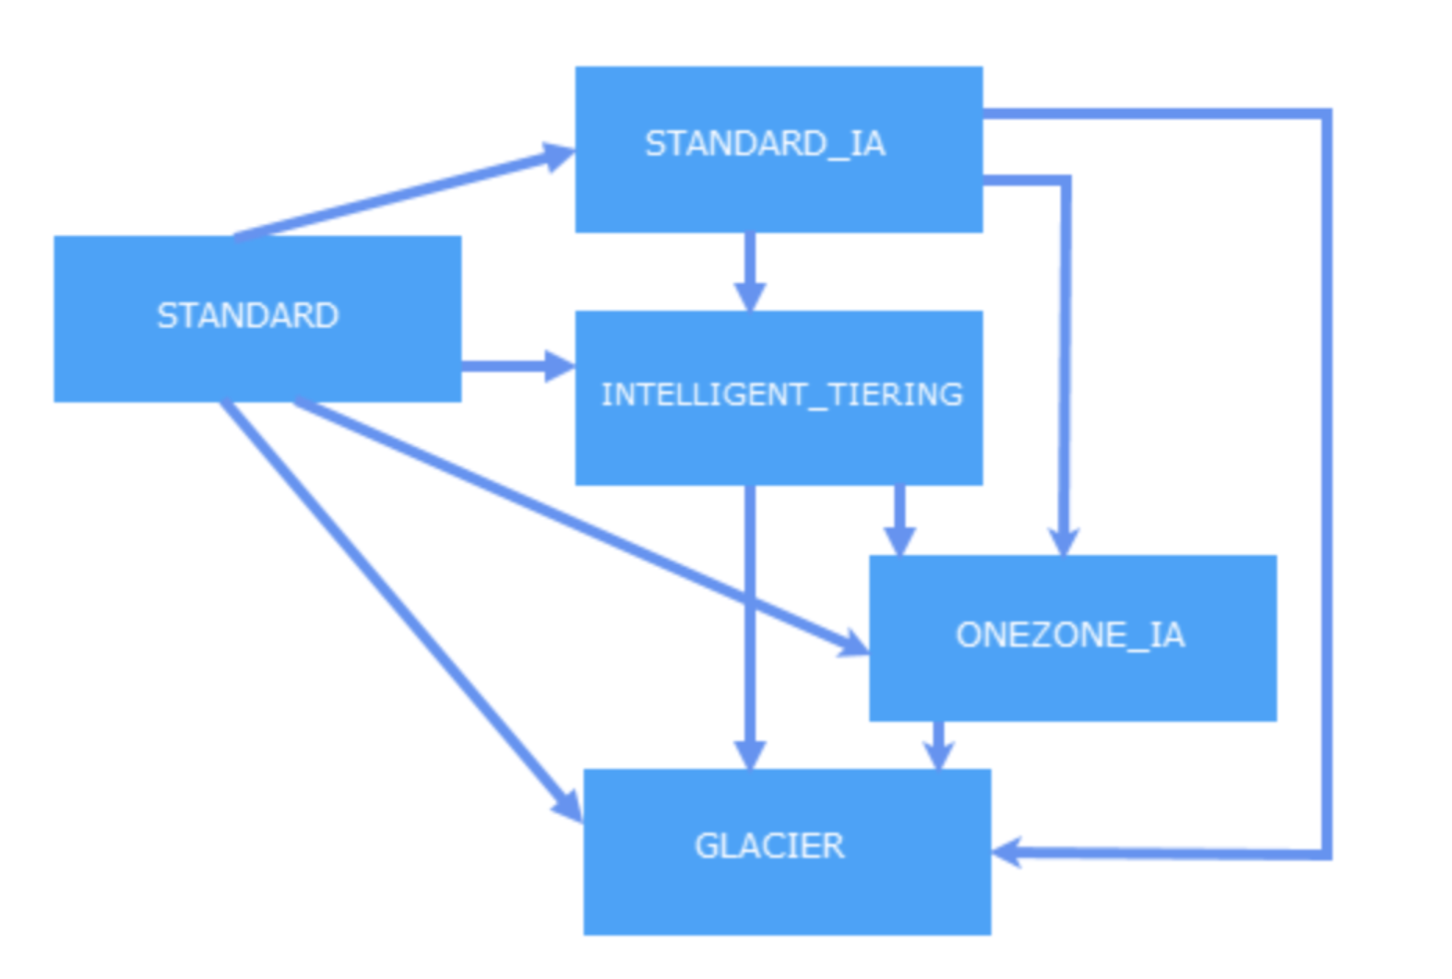
 |  |  | provider "aws" { |  |  |  | provider "aws" {
 |  |  | region = "us-west-2" |  |  |  | region = "us-west-2"
 |  |  | } |  |  |  | }
 |  |  |  |  |  |  | resource "aws_s3_bucket" "bucket" {
 |  |  | resource "aws_s3_bucket" "example" { |  |  |  | bucket = "terraform-20181219040316452900000001"
 |  |  | bucket = "my-test-s3-terraform-bucket" |  |  |  | acl = "private"
 |  |  | acl = "private"
 |  |  | versioning { |  |  |  | lifecycle_rule {
 |  |  | enabled = true |  |  |  | enabled = true
 |  |  | }
 |  |  |  |  |  |  | transition {
 |  |  | tags { |  |  |  | days = 30
 |  |  | Name = "my-test-s3-terraform-bucket" |  |  |  | storage_class = "STANDARD_IA"
 |  |  | } |  |  |  | }

 |  |  | } |  |  |  | transition {
 |  |  |  |  |  |  | days = 60
 |  |  |  |  |  |  | storage_class = "GLACIER"
 |  |  |  |  |  |  | }
 |  |  |  |  |  |  | }
 |  |  |  |  |  |  | }

UI Archit and layout
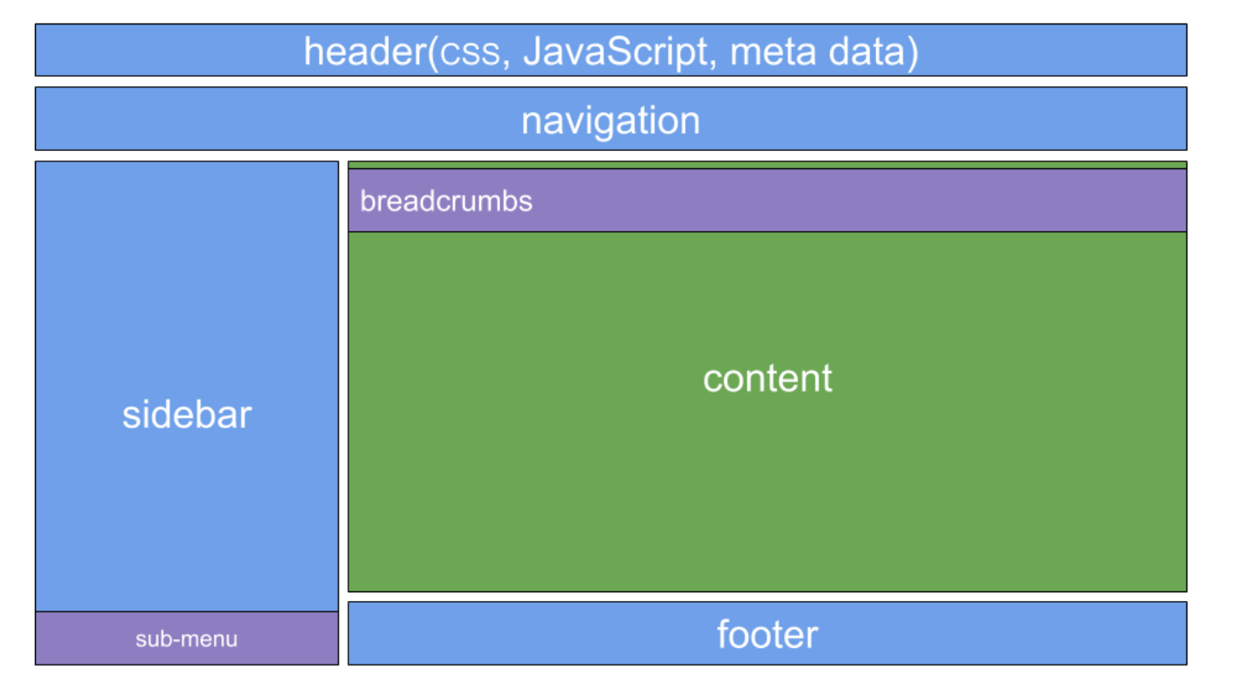
UI Architecture

The UI is server side rendered using Thymeleaf templates (preferred templating engine in Spring).

a website has many pages and each page has several reusable components (e.g. header, navigation, sidebar, and footer).

The decorator pattern used by the Thymeleaf Layout dialect solves these issues.

